Memory Map
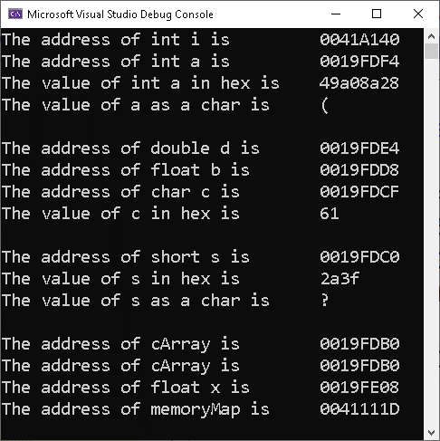
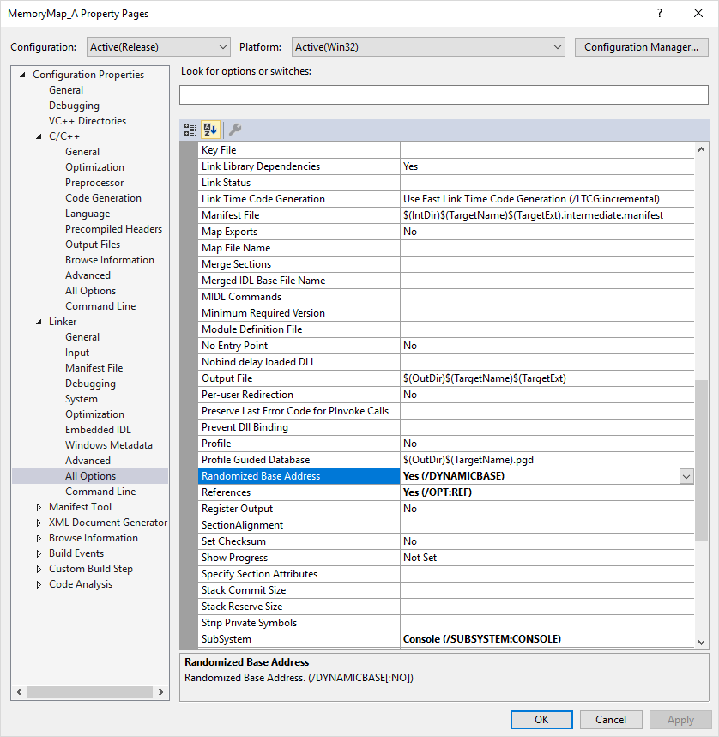
Data Type of Highest Addressed: |  |  | float
Address of Highest: |  |  | 0019FE08

HexAddress | Alias | Value |  | HexAddress | Alias | Value | HexAddress | Alias | Value | HexAddress | Alias | Value
0019FE0B |  |  |  | 0019FDF3 |  |  | 0019FDDB |  |  | 0019FDC3
0019FE0A |  |  |  | 0019FDF2 |  |  | 0019FDDA |  |  | 0019FDC2
0019FE09 |  |  |  | 0019FDF1 |  |  | 0019FDD9 |  |  | 0019FDC1 |  | 2a
0019FE08 | x |  |  | 0019FDF0 |  |  | 0019FDD8 | b |  | 0019FDC0 | s | 3f = '?'
0019FE07 |  |  |  | 0019FDEF |  |  | 0019FDD7 |  |  | 0019FDBF
0019FE06 |  |  |  | 0019FDEE |  |  | 0019FDD6 |  |  | 0019FDBE
0019FE05 |  |  |  | 0019FDED |  |  | 0019FDD5 |  |  | 0019FDBD
0019FE04 |  |  |  | 0019FDEC |  |  | 0019FDD4 |  |  | 0019FDBC
0019FE03 |  |  |  | 0019FDEB |  |  | 0019FDD3 |  |  | 0019FDBB
0019FE02 |  |  |  | 0019FDEA |  |  | 0019FDD2 |  |  | 0019FDBA
0019FE01 |  |  |  | 0019FDE9 |  |  | 0019FDD1 |  |  | 0019FDB9
0019FE00 |  |  |  | 0019FDE8 |  |  | 0019FDD0 |  |  | 0019FDB8
0019FDFF |  |  |  | 0019FDE7 |  |  | 0019FDCF | c | 61 = 'a' | 0019FDB7
0019FDFE |  |  |  | 0019FDE6 |  |  | 0019FDCE |  |  | 0019FDB6
0019FDFD |  |  |  | 0019FDE5 |  |  | 0019FDCD |  |  | 0019FDB5 |  | 0 = '\0'
0019FDFC |  |  |  | 0019FDE4 | d |  | 0019FDCC |  |  | 0019FDB4 |  | 'o'
0019FDFB |  |  |  | 0019FDE3 |  |  | 0019FDCB |  |  | 0019FDB3 |  | 'l'
0019FDFA |  |  |  | 0019FDE2 |  |  | 0019FDCA |  |  | 0019FDB2 |  | 'l'
0019FDF9 |  |  |  | 0019FDE1 |  |  | 0019FDC9 |  |  | 0019FDB1 |  | 'e'
0019FDF8 |  |  |  | 0019FDE0 |  |  | 0019FDC8 |  |  | 0019FDB0 | cArray | 'H'
0019FDF7 |  | 49 |  | 0019FDDF |  |  | 0019FDC7 |  |  | 0019FDAF
0019FDF6 |  | a0 |  | 0019FDDE |  |  | 0019FDC6 |  |  | 0019FDAE
0019FDF5 |  | 8a |  | 0019FDDD |  |  | 0019FDC5 |  |  | 0019FDAD
0019FDF4 | a | 28 = '(' |  | 0019FDDC |  |  | 0019FDC4 |  |  | 0019FDAC
Note that each variable starts starts at a 4-byte boundary (except the char c). This is because we are compiling on an x86 platform (32-bit). This makes fetching quicker. Note that this may require some space beteen variables that is essentially wasted.
In this case, we are compiling in DEBUG mode. The debugger puts extra information in the code. This explains why the variables are further apart than necessary.

